Dashboard
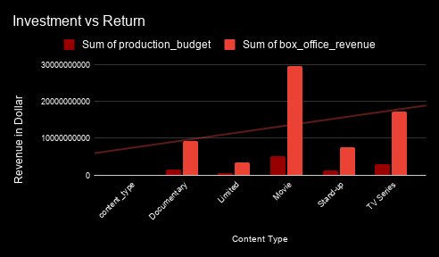
NETFLIX

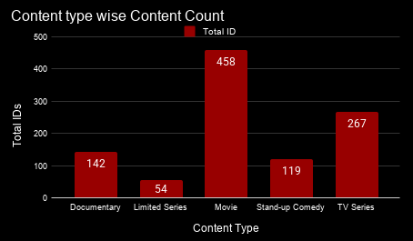
Content Type wise Duration Minutes

Country Wise Investment vs Return

AVERAGE of IMDB_Rating vs Content Type

Pivot Table 4
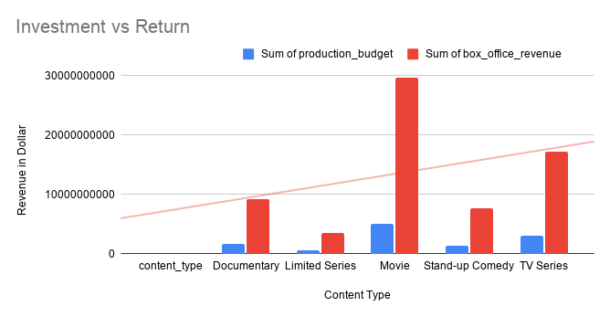
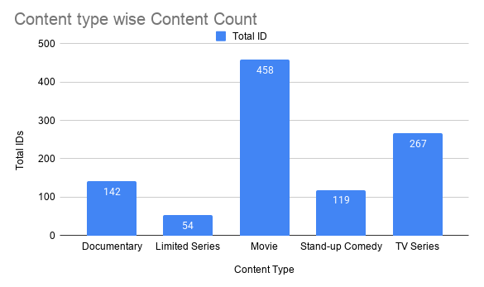
Content Type wise Duration Minutes

AVERAGE of IMDB_Rating vs Content Type

Pivot Table 3
Country Wise Investment vs Return

Pivot Table 1
